2024
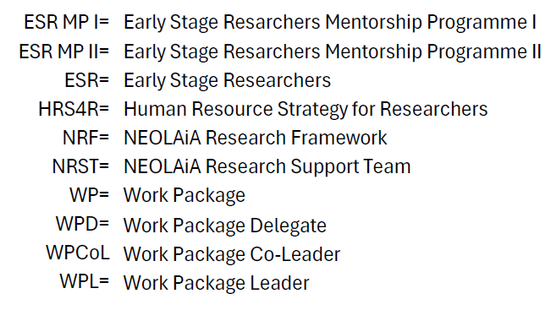
 |  |  | Annex A. Timeline
2024
Task/Q | Q1 | Q2 |  | Q3 | Q4
General Deliverables Milestones | •7-8 Feb Official Start up meeting for NEOLOAiA in Brussels. • Meeting in Tours 15 of March WP Leader and Task Leader 5.3 and 5.5. | • Meeting in Salerno WPL and WPCoL 17-19 april for the purpose of coordinating with WP8. • D5.1 (Work Plan and organizational structure, 31/05/2024). • WPL and WPCoL visit Jaen 21-24 of May meeting with Overall Project Manager (Sebastian Bruque). |  |  | • WPL visit Nicosia for Executive Committee meeting. • M5.2 (First Map research resources published 31/12/2024). • M5.3 (First Map research synergies issued, 31/12/2024). • M5.4 (Creation of the NEOLAiA Expert Teams, 31/12/2024).
T5.1 |  | • WPL starts working with the NEOLAiA Research Framework (NRF). |  | • Discussions about the NRF with WPDs both individual and during WP meetings. • WPL starts preprations for D5.2. • Preparing NRF. | • Draft NRF finalized. • Work with D5.2.
T5.2 | • Design of model for mapping. | • Design of model for mapping. |  |  | • WPL and WPCoL visit to Tours. • Test of first screening/panel - research competence mapping, • Discussions of results from test trial. • Plan for next step to improve/adapt/modify screening/panel mapping strategy. • First initial report on infrastructure mapping (M5.2 and M5.3).
T5.3 |  | • Call for participants in the NEOLAiA Research Support Team (NRST). •Call for participation in HRS4R team. |  | • Establishing of NRST and HRS4R team. • NRST Workshop (Online). | • Onsite meeting in Tours T5.3 and T5.5 for NRST and HRS4R teams.
T5.4 |  | • Mapping existing seminars for Early Stage Researchers (ESR). • Call for forming an ESR Team. • Meeting ESR Team to form the ESR Mentorship Programme (ESR MP) (online). |  | • ESR MP I is presented and call for participation sent out (first mentoring program). | • Decision in WP ESR MP I (participants in the ESR MP I are appointed).
T5.5 |  | • Call for the Living Lab Hub Work Team. |  | • Workshop 1 (online). | • UT delegation visit to ORU. • Meeting in Tours WP5.3 and WP 5.5 (WPL, Task leader T5.5 and WPDs). • Workshop 2 (online).

2025
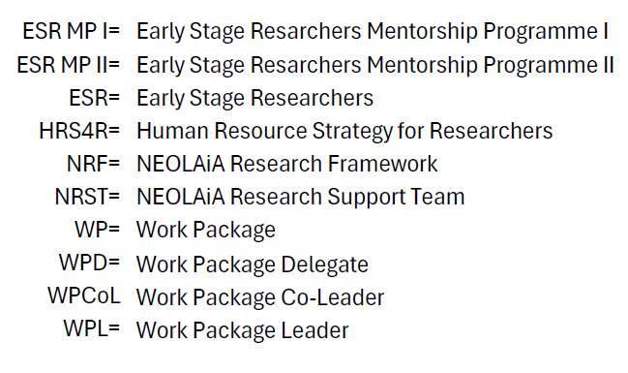
2025
Task/Q | Q1 | Q2 | Q3 | Q4
General Deliverables Milestones | • M5.5 (NEOLAiA ESR Seminars initiated, 31/01/2025). | • M5.1 (First NEOLAiA Research Framework issued, 30/06/2025). |  | • D5.2 (Intermediate report on High quality research with regional impact, 31/12/2025). M5.2 (Updated Map resarch resources published 31/12/2025). • M5.3 (Updated Map research synnergies issued 31/12/2025).
T5.1 | • Work with D5.2. • Consultations with WPDs regarding D5.2. • Consultations with WPDs regarding NRF. | • Finalizing the NRF. • Review of the NRF. • First NEOLAiA Research Framework issued (M5.1). | • Online workshop with WPDs do discuss D5.2. • D5.2 submitted for internal review. | •D5.2 subject to internal review, discussions and submitted.
T5.2 | • Yearly start up meeting. |  | • Collect information for mappings in M5.2 and M5.3 in collaboration with WPDs. | • Reporting from WPs to the Task Leader. • Updated mapping (M5.2 and M5.3).
T5.3 | • NRST Workshop (Online). | • NRST Workshop (Virtual or physical). |  | • NRST Workshop (Online).
T5.4 | • Launching of the ESR seminars. • Start of ESR MP I, including online start up with participants and Task Leader. | • ESR Seminar. • Physical mobility ESR MP I. • ESR MP I mentors and mentees online seminar with all participants and Task Leader. | • ESR Seminar. | • ESR Seminar. • ESR MP I mentors and mentees online seminar with all participants and Task Leader.
T5.5 |  | • Onsite Seminar. | • Workshop 3 (online). | • Workshop 4 (online).

